Definitions
Safety Risk Assessment |  |  |  | Taken from RIA 15.06 - 2016
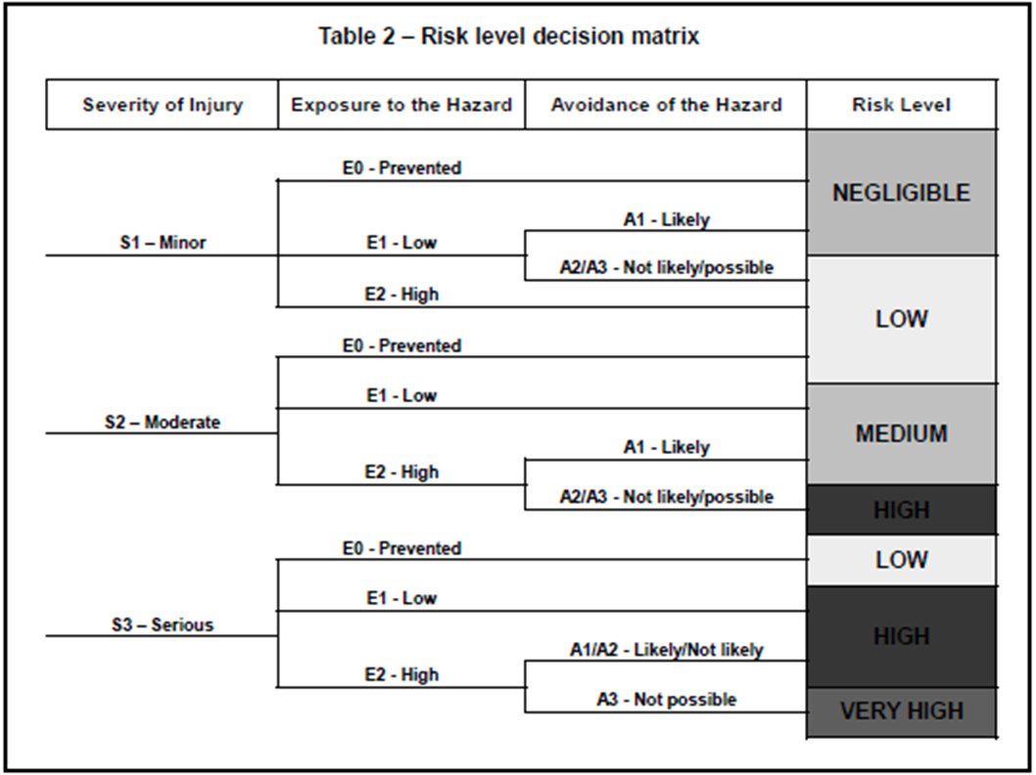
Severity/Exposure/Avoidance Definitions
Factor | Abv | Rating | Criteria (Examples - choose most likely)
Severity | S3 | Serious | Normally non-reversible
 | S2 | Moderate | Normally reversible
 | S1 | Minor | First Aid
Exposure / Frequency | E0 | Prevented | Effectively mitigated by design
 | E2 | High | Typically mor than once per hour
 | E1 | Low | Typically less than once per day or shift
Possibility of Avoidance | A3 | Not possible | Trapping situation
 | A2 | Not likely | Insufficent clearance
 | A1 | Likely | Sufficent clearance
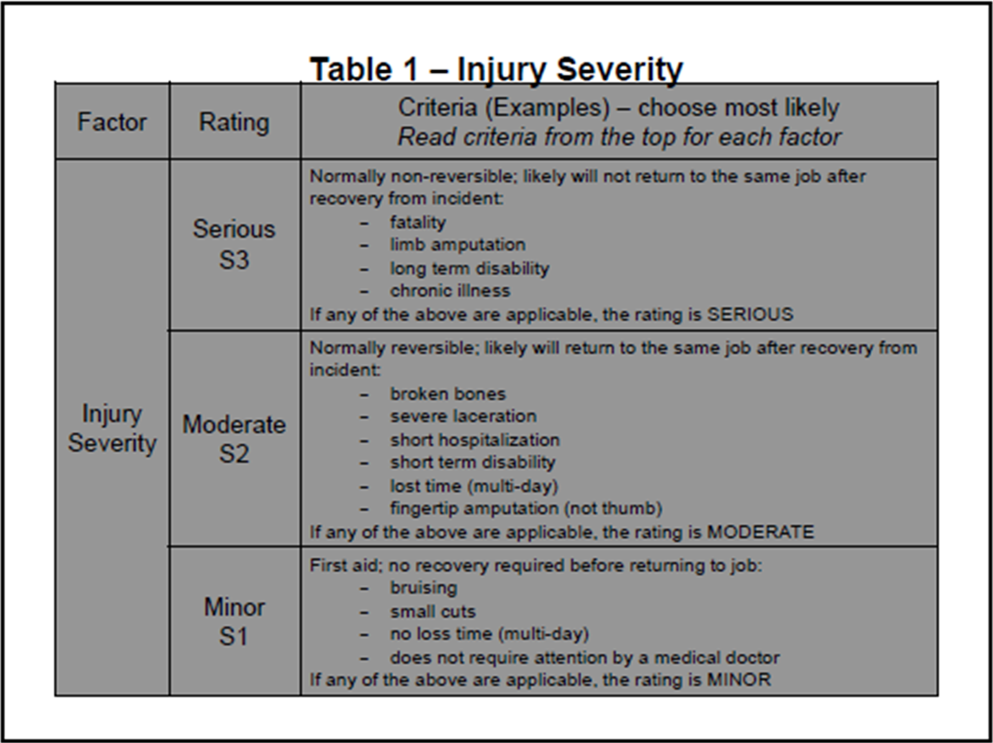
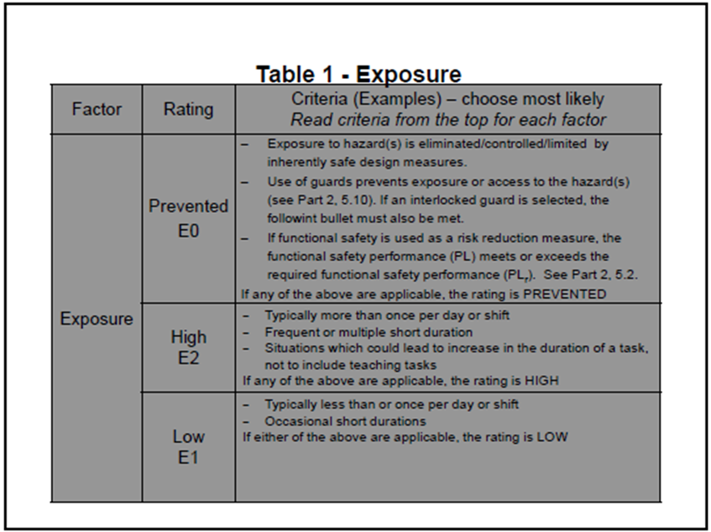
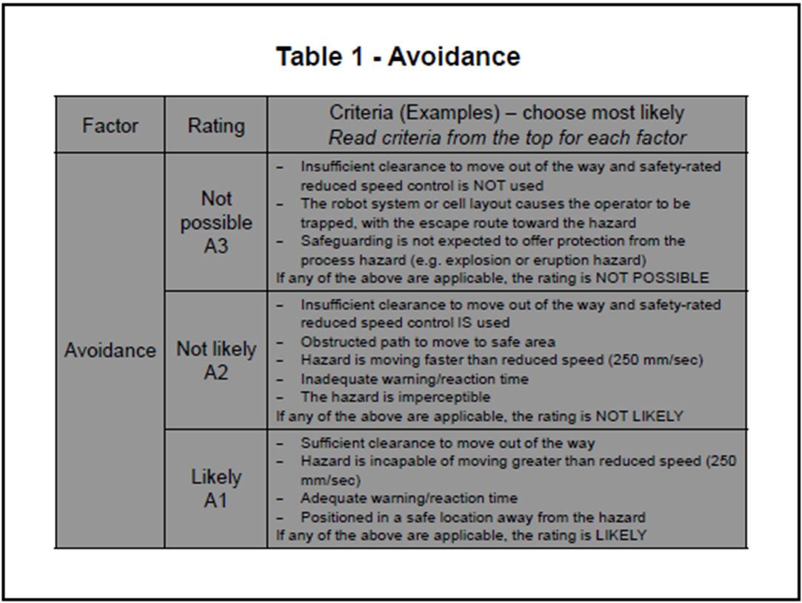

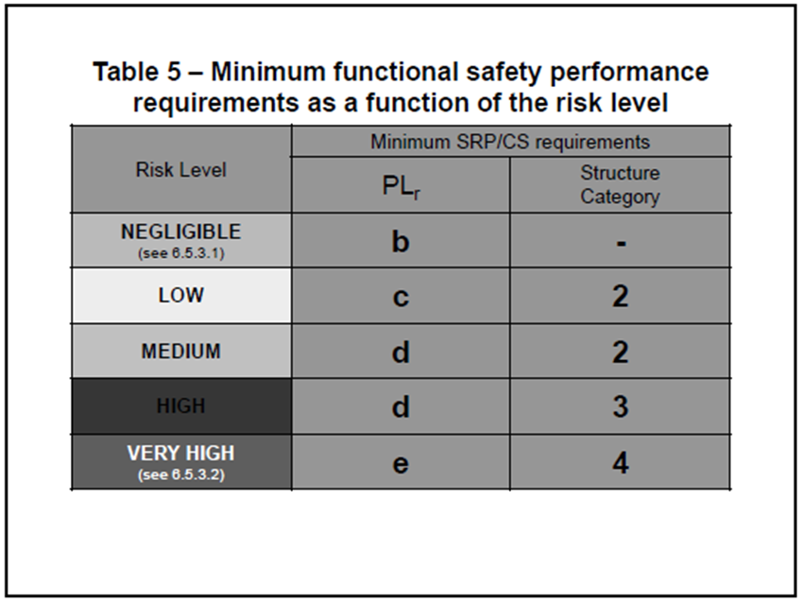

PL = Performance Level - See ISO 13849-1:2015

